8641-588
Measuring Instrument Verification Record
Company name: Mano Engineering LLC |  |  |  |  | Inspector: KK
Part No. | A | B | C | D | Remark
1 | 0.267 | 0.4685 | 0.2 | 0.161
2 | 0.266 | 0.4655 | 0.2015 | 0.161
3 | 0.266 | 0.4670 | 0.201 | 0.161
4 | 0.266 | 0.4650 | 0.2 | 0.161
5 | 0.2655 | 0.4655 | 0.2005 | 0.1615
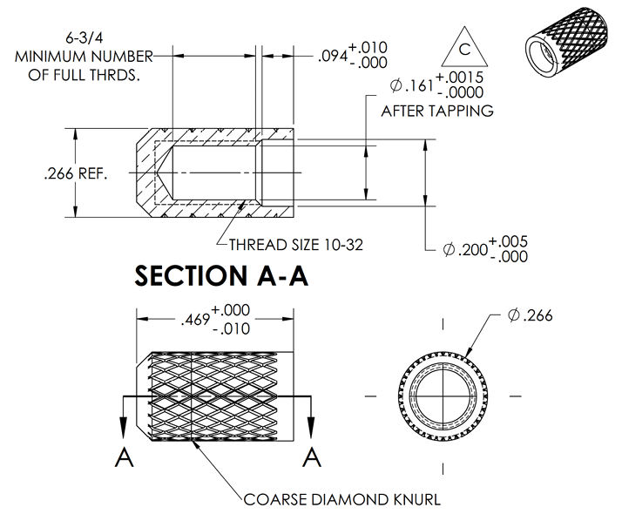

D

A

C

B

